S Str&Pad
Laos |  |  | perc_baseline |  | perc_target |  | RR_d | RR_i | perc_fatal_side | perc_nonfatal_side |  |  |  | lcl_bl_deaths | lcl_bl_nonfatal |  | affected_deaths | rest_deaths | affected_deaths= affected_deaths* (1 - `prop_target'*(1-`RR_d'))/(1 - `prop_baseline'*(1-`RR_d'))
REG | TECHNOLOGY |  | CURRENT AVAILABILITY | INTERVENTION | COUNTERFACTUAL USE | Affected Groups | RELATIVE RISK (death) | RELATIVE RISK (injury) | PROP. OF SIDE CRASHES (death) | PROP OF SIDE CRASHES (injuries) | POPULATION AFFECTED |  |  | BASELINE DEATHS | BASELINE INJURIES | AFFECTED GROUP | AFFECTED DEATHS |  | INTERVENTION
UN 95, UN 135 | SIDE STR&PADD |  | 0 | SIDE STRUCTURE IN ALL CAR, TRUCK, BUS | 1 | Occupants | 0.79 | 0.79 | 0.25 | 0.337
 |  |  |  |  |  |  |  |  |  |  | Cause | Sex | Age | Deaths | Injuries | NO=0 / YES=1 | Deaths | Deaths | Deaths
 |  |  |  |  |  |  |  |  |  |  | Pedestrian | Male | <5 years | 3 | 12 | 0 | 3.31 | 0.00 | 3
 |  |  |  |  |  |  |  |  |  |  | Pedestrian | Male | 5-9 years | 9 | 70 | 0 | 8.75 | 0.00 | 9
 |  |  |  |  |  |  |  |  |  |  | Pedestrian | Male | 10-14 years | 8 | 157 | 0 | 8.08 | 0.00 | 8
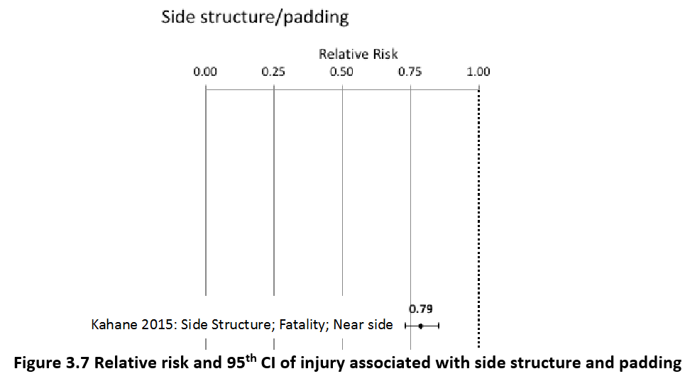
 |  |  |  |  |  |  |  |  |  |  | Pedestrian | Male | 15-19 years | 11 | 317 | 0 | 10.60 | 0.00 | 11
 |  |  |  |  |  |  |  |  |  |  | Pedestrian | Male | 20-24 years | 15 | 450 | 0 | 14.95 | 0.00 | 15
 |  |  |  |  |  |  |  |  |  |  | Pedestrian | Male | 25-29 years | 11 | 440 | 0 | 11.18 | 0.00 | 11
 |  |  |  |  |  |  |  |  |  |  | Pedestrian | Male | 30-34 years | 12 | 349 | 0 | 11.79 | 0.00 | 12
 |  |  |  |  |  |  |  |  |  |  | Pedestrian | Male | 35-39 years | 9 | 265 | 0 | 9.41 | 0.00 | 9
 |  |  |  |  |  |  |  |  |  |  | Pedestrian | Male | 40-44 years | 9 | 211 | 0 | 9.11 | 0.00 | 9
 |  |  |  |  |  |  |  |  |  |  | Pedestrian | Male | 45-49 years | 11 | 171 | 0 | 10.62 | 0.00 | 11
 |  |  |  |  |  |  |  |  |  |  | Pedestrian | Male | 50-54 years | 12 | 141 | 0 | 11.95 | 0.00 | 12
 |  |  |  |  |  |  |  |  |  |  | Pedestrian | Male | 55-59 years | 11 | 125 | 0 | 11.09 | 0.00 | 11
 |  |  |  |  |  |  |  |  |  |  | Pedestrian | Male | 60-64 years | 11 | 90 | 0 | 11.49 | 0.00 | 11
 |  |  |  |  |  |  |  |  |  |  | Pedestrian | Male | 65-69 years | 9 | 44 | 0 | 9.07 | 0.00 | 9
 |  |  |  |  |  |  |  |  |  |  | Pedestrian | Male | 70-74 years | 7 | 28 | 0 | 7.29 | 0.00 | 7
 |  |  |  |  |  |  |  |  |  |  | Pedestrian | Male | 75-79 years | 8 | 24 | 0 | 7.64 | 0.00 | 8
 |  |  |  |  |  |  |  |  |  |  | Pedestrian | Male | 80-84 years | 5 | 11 | 0 | 4.77 | 0.00 | 5
 |  |  |  |  |  |  |  |  |  |  | Pedestrian | Male | 85+ | 3 | 3 | 0 | 2.76 | 0.00 | 3
 |  |  |  |  |  |  |  |  |  |  | Pedestrian | Female | <5 years | 4 | 15 | 0 | 3.83 | 0.00 | 4
 |  |  |  |  |  |  |  |  |  |  | Pedestrian | Female | 5-9 years | 8 | 64 | 0 | 8.10 | 0.00 | 8
 |  |  |  |  |  |  |  |  |  |  | Pedestrian | Female | 10-14 years | 6 | 148 | 0 | 6.20 | 0.00 | 6
 |  |  |  |  |  |  |  |  |  |  | Pedestrian | Female | 15-19 years | 9 | 311 | 0 | 8.71 | 0.00 | 9
 |  |  |  |  |  |  |  |  |  |  | Pedestrian | Female | 20-24 years | 10 | 367 | 0 | 10.29 | 0.00 | 10
 |  |  |  |  |  |  |  |  |  |  | Pedestrian | Female | 25-29 years | 8 | 254 | 0 | 8.25 | 0.00 | 8
 |  |  |  |  |  |  |  |  |  |  | Pedestrian | Female | 30-34 years | 8 | 198 | 0 | 8.30 | 0.00 | 8
 |  |  |  |  |  |  |  |  |  |  | Pedestrian | Female | 35-39 years | 7 | 163 | 0 | 7.49 | 0.00 | 7
 |  |  |  |  |  |  |  |  |  |  | Pedestrian | Female | 40-44 years | 7 | 129 | 0 | 6.88 | 0.00 | 7
 |  |  |  |  |  |  |  |  |  |  | Pedestrian | Female | 45-49 years | 8 | 115 | 0 | 7.99 | 0.00 | 8
 |  |  |  |  |  |  |  |  |  |  | Pedestrian | Female | 50-54 years | 9 | 131 | 0 | 9.48 | 0.00 | 9
 |  |  |  |  |  |  |  |  |  |  | Pedestrian | Female | 55-59 years | 9 | 148 | 0 | 9.27 | 0.00 | 9
 |  |  |  |  |  |  |  |  |  |  | Pedestrian | Female | 60-64 years | 10 | 127 | 0 | 10.38 | 0.00 | 10
 |  |  |  |  |  |  |  |  |  |  | Pedestrian | Female | 65-69 years | 9 | 89 | 0 | 8.61 | 0.00 | 9
 |  |  |  |  |  |  |  |  |  |  | Pedestrian | Female | 70-74 years | 8 | 61 | 0 | 7.84 | 0.00 | 8
 |  |  |  |  |  |  |  |  |  |  | Pedestrian | Female | 75-79 years | 7 | 49 | 0 | 7.19 | 0.00 | 7
 |  |  |  |  |  |  |  |  |  |  | Pedestrian | Female | 80-84 years | 4 | 30 | 0 | 4.07 | 0.00 | 4
...
Laos |  |  | perc_baseline |  | perc_target |  | RR_d | RR_i | perc_fatal_side | perc_nonfatal_side
TOTAL | 1080 | 66545 | 1062 | 65133
 |  | Red.Per. | 0.016827932793 | 0.021231 |  |  |  |  |  |  | Bicyclist | Male | 50-54 years | 5
 |  |  |  |  |  |  |  |  |  |  | Bicyclist | Male | 55-59 years | 5
SIDE STR&PADD | BASELINE DEATHS | BASELINE INJURIES | SIDE STR&PADD | SIDE STR&PADD |  |  |  |  |  |  | Bicyclist | Male | 60-64 years | 5
Pedestrian | 299 | 5324 | 299 | 5324 |  |  |  |  |  |  | Bicyclist | Male | 65-69 years | 3
Bicyclist | 69 | 1996 | 69 | 1996 |  |  |  |  |  |  | Bicyclist | Male | 70-74 years | 2
Motorcyclist | 347 | 39262 | 347 | 39262 |  |  |  |  |  |  | Bicyclist | Male | 75-79 years | 0
Occupant | 346 | 19964 | 328 | 18551 |  |  |  |  |  |  | Bicyclist | Male | 80-84 years | 0
Other | 18 | 0 | 18 | 0 |  |  |  |  |  |  | Bicyclist | Male | 85+ | 0
TOTAL | 1080 | 66545 | 1062 | 65133 |  |  |  |  |  |  | Bicyclist | Female | <5 years | 0
Laos
 | BASELINE DEATHS | SIDE STR&PADD
Pedestrian | 299 | 299
Bicyclist | 69 | 69
Motorized Two Wheeler | 347 | 347
Motorized Three Wheeler | 0 | 0
Car | 346 | 328
Bus | 0 | 0
Truck | 0 | 0
Other | 18 | 18
 |  |  |  |  |  |  |  |  |  |  | Bicyclist | Female | 5-9 years | 1
Laos
 | BASELINE INJURIES | SIDE STR&PADD
Pedestrian | 5324 | 5324
Bicyclist | 1996 | 1996
Motorized Two Wheeler | 39262 | 39262
Motorized Three Wheeler | 0 | 0
Car | 19964 | 18551
Bus | 0 | 0
Truck | 0 | 0
Other | 0 | 0
 |  |  |  |  |  |  |  |  |  |  | Bicyclist | Female | 10-14 years | 1
 |  |  |  |  |  |  |  |  |  |  | Bicyclist | Female | 15-19 years | 1
 |  |  |  |  |  |  |  |  |  |  | Bicyclist | Female | 20-24 years | 1
 |  |  |  |  |  |  |  |  |  |  | Bicyclist | Female | 25-29 years | 1
 |  |  |  |  |  |  |  |  |  |  | Bicyclist | Female | 30-34 years | 1
 |  |  |  |  |  |  |  |  |  |  | Bicyclist | Female | 35-39 years | 1
 |  |  |  |  |  |  |  |  |  |  | Bicyclist | Female | 40-44 years | 1
 |  |  |  |  |  |  |  |  |  |  | Bicyclist | Female | 45-49 years | 1
 |  |  |  |  |  |  |  |  |  |  | Bicyclist | Female | 50-54 years | 1
 |  |  |  |  |  |  |  |  |  |  | Bicyclist | Female | 55-59 years | 1
 |  |  |  |  |  |  |  |  |  |  | Bicyclist | Female | 60-64 years | 1
 |  |  |  |  |  |  |  |  |  |  | Bicyclist | Female | 65-69 years | 1
 |  |  |  |  |  |  |  |  |  |  | Bicyclist | Female | 70-74 years | 1
 |  |  |  |  |  |  |  |  |  |  | Bicyclist | Female | 75-79 years | 0
 |  |  |  |  |  |  |  |  |  |  | Bicyclist | Female | 80-84 years | 0
 |  |  |  |  |  |  |  |  |  |  | Bicyclist | Female | 85+ | 0
 |  |  |  |  |  |  |  |  |  |  | Motorized Two Wheeler | Male | <5 years | 2
 |  |  |  |  |  |  |  |  |  |  | Motorized Two Wheeler | Male | 5-9 years | 5
 |  |  |  |  |  |  |  |  |  |  | Motorized Two Wheeler | Male | 10-14 years | 7
 |  |  |  |  |  |  |  |  |  |  | Motorized Two Wheeler | Male | 15-19 years | 48
Laos
Laos
 |  |  |  |  |  |  |  |  |  |  | Motorized Two Wheeler | Male | 20-24 years | 70
 |  |  |  |  |  |  |  |  |  |  | Motorized Two Wheeler | Male | 25-29 years | 49
 |  |  |  |  |  |  |  |  |  |  | Motorized Two Wheeler | Male | 30-34 years | 30
 |  |  |  |  |  |  |  |  |  |  | Motorized Two Wheeler | Male | 35-39 years | 22
 |  |  |  |  |  |  |  |  |  |  | Motorized Two Wheeler | Male | 40-44 years | 19
 |  |  |  |  |  |  |  |  |  |  | Motorized Two Wheeler | Male | 45-49 years | 15
 |  |  |  |  |  |  |  |  |  |  | Motorized Two Wheeler | Male | 50-54 years | 13
 |  |  |  |  |  |  |  |  |  |  | Motorized Two Wheeler | Male | 55-59 years | 11
 |  |  |  |  |  |  |  |  |  |  | Motorized Two Wheeler | Male | 60-64 years | 4
 |  |  |  |  |  |  |  |  |  |  | Motorized Two Wheeler | Male | 65-69 years | 3
 |  |  |  |  |  |  |  |  |  |  | Motorized Two Wheeler | Male | 70-74 years | 2
 |  |  |  |  |  |  |  |  |  |  | Motorized Two Wheeler | Male | 75-79 years | 1
 |  |  |  |  |  |  |  |  |  |  | Motorized Two Wheeler | Male | 80-84 years | 0
 |  |  |  |  |  |  |  |  |  |  | Motorized Two Wheeler | Male | 85+ | 0
 |  |  |  |  |  |  |  |  |  |  | Motorized Two Wheeler | Female | <5 years | 1
 |  |  |  |  |  |  |  |  |  |  | Motorized Two Wheeler | Female | 5-9 years | 2
 |  |  |  |  |  |  |  |  |  |  | Motorized Two Wheeler | Female | 10-14 years | 2
 |  |  |  |  |  |  |  |  |  |  | Motorized Two Wheeler | Female | 15-19 years | 7
 |  |  |  |  |  |  |  |  |  |  | Motorized Two Wheeler | Female | 20-24 years | 7
 |  |  |  |  |  |  |  |  |  |  | Motorized Two Wheeler | Female | 25-29 years | 5
 |  |  |  |  |  |  |  |  |  |  | Motorized Two Wheeler | Female | 30-34 years | 4
 |  |  |  |  |  |  |  |  |  |  | Motorized Two Wheeler | Female | 35-39 years | 3
 |  |  |  |  |  |  |  |  |  |  | Motorized Two Wheeler | Female | 40-44 years | 3
 |  |  |  |  |  |  |  |  |  |  | Motorized Two Wheeler | Female | 45-49 years | 3
 |  |  |  |  |  |  |  |  |  |  | Motorized Two Wheeler | Female | 50-54 years | 3
 |  |  |  |  |  |  |  |  |  |  | Motorized Two Wheeler | Female | 55-59 years | 3
 |  |  |  |  |  |  |  |  |  |  | Motorized Two Wheeler | Female | 60-64 years | 1
 |  |  |  |  |  |  |  |  |  |  | Motorized Two Wheeler | Female | 65-69 years | 1
 |  |  |  |  |  |  |  |  |  |  | Motorized Two Wheeler | Female | 70-74 years | 0
 |  |  |  |  |  |  |  |  |  |  | Motorized Two Wheeler | Female | 75-79 years | 0
 |  |  |  |  |  |  |  |  |  |  | Motorized Two Wheeler | Female | 80-84 years | 0
...

